Information Search
 Donations List
Full Name | City / State | Item Donated | Category | Quantity | Total Value | Individual Value | Information Search
Vickie Anderson | Greeley, CO | MP3 Player | Equipment | 2 | $290 | $145
Michael Anderson | Topeka, KS | Gift Basket | Product | 3 | $225 | $75 | What did "Peggy Jackson" donated?
Natalie Barguno | Phoenix, AZ | Toy Store Gift Certificate | Gift Certificate | 3 | $150 | $50 | Restaurant Gift Certificate
Dennis Boothe | Alva, OK | YMCA Swimming Lessons | Service | 2 | $130 | $65
Benjamin Brown | Tucson, AZ | Digital Camera | Equipment | 1 | $400 | $400 | What are the category and the quantity of the item donated by Kim Jones?
Emiko Francani | Emporia, KS | Floral Arrangement | Gift Certificate | 2 | $150 | $75 | Product, 4
Robert Hall | Denver, CO | Grocery Gift Certificate | Gift Certificate | 3 | $150 | $50
Tara Huber | Omaha, NE | Laptop Computer | Equipment | 1 | $1,000 | $1,000 | What is the ind value of the cheapest item? | Who donated this item?
Kevin Jackson | Amarillo, TX | Movie Tickets + Popcorn | Gift Certificate | 4 | $120 | $30 | $20 | Kim Jones
Peggy Jackson | Grand Junction, CO | Restaurant Gift Certificate | Gift Certificate | 2 | $150 | $75
Kim Jansen | Oklahoma City, OK | MP3 Player | Equipment | 3 | $600 | $200 | Who donated the most expensive item? And what is it?
Kim Jones | Oklahoma City, OK | Fondue Set | Product | 4 | $80 | $20 | Tara Huber, Laptop Computer
Kelly Kripton | Dodge City, KS | Football Tickets | Product | 2 | $150 | $75
Kristen Kripton | Fort Collins, CO | Free Photography Sitting | Service | 2 | $90 | $45 | Did "Larry Lopez" donate more than "Robert Hall"?
Larry Lopez | Topeka, KS | Restaurant Gift Certificate | Gift Certificate | 4 | $160 | $40 | Yes, he did!
George Martin | Denver, CO | Car Wash Card | Other | 2 | $100 | $50
Shelly Martin | San Fransisco, CA | Massage | Other | 2 | $100 | $50
Catherine McCue | Tulsa, OK | Restaurant Gift Certificate | Gift Certificate | 2 | $80 | $40
Marion McMahon | Tulsa, OK | Automotive Gift Certificate | Gift Certificate | 2 | $100 | $50
Robert McMahon | Lincoln, NE | Web Site Services | Service | 2 | $200 | $100
Catherine McQuaide | Dallas, TX | 10 pounds of Fresh Fish | Product | 3 | $300 | $100
Anita Miller | Grand Junction, CO | MP3 Player | Equipment | 4 | $580 | $145
Huong Ngyun | Dallas, TX | Gym Membership | Other | 2 | $500 | $250
Ian Parker | Lubbock, TX | Gym Membership | Gift Certificate | 3 | $600 | $200
Huong Pham | Colorado City, CO | Restaurant Gift Certificate | Gift Certificate | 3 | $180 | $60
Donna Reed | Dumas, TX | Hotel Accommodations | Gift Certificate | 2 | $200 | $100
Dan Reed | Austin, TX | Yoga Class | Service | 2 | $200 | $100
Jennifer Ward | Houston, TX | 1-Year Free Coffee | Product | 1 | $100 | $100
Bobby Wilcox | Lincoln, NE | Automotive Gift Certificate | Gift Certificate | 1 | $100 | $100
Idelle Wilcox | Oklahoma City, OK | Restaurant Gift Certificate | Gift Certificate | 4 | $180 | $45

Evaluation
 Donations List
Full Name | City / State | Item Donated | Category | Quantity | Individual Value | Classification | Class | Gifts Evaluation
Vickie Anderson | Greeley, CO | MP3 Player | Equipment | 2 | $145 | Good | Class B
Michael Anderson | Topeka, KS | Gift Basket | Product | 3 | $75 | Moderate | Class A | Classification
Natalie Barguno | Phoenix, AZ | Toy Store Gift Certificate | Gift Certificate | 3 | $50 | Moderate | Class B |  | Ind Value | Classification
Dennis Boothe | Alva, OK | YMCA Swimming Lessons | Service | 2 | $65 | Moderate | Class C | 0 | <50 | Low Value
Benjamin Brown | Tucson, AZ | Digital Camera | Equipment | 1 | $400 | Good | Class B | 50 | 50<= <100 | Moderate
Emiko Francani | Emporia, KS | Floral Arrangement | Gift Certificate | 2 | $75 | Moderate | Class C | 100 | 100 <= <500 | Good
Robert Hall | Denver, CO | Grocery Gift Certificate | Gift Certificate | 3 | $50 | Moderate | Class B | 500 | >=500 | Generous
Tara Huber | Omaha, NE | Laptop Computer | Equipment | 1 | $1,000 | Generous | Class B
Kevin Jackson | Amarillo, TX | Movie Tickets + Popcorn | Gift Certificate | 4 | $30 | Low Value | Class A |  | Classes
Peggy Jackson | Grand Junction, CO | Restaurant Gift Certificate | Gift Certificate | 2 | $75 | Moderate | Class C |  | 1 | 2 | 3 | 4
Kim Jansen | Oklahoma City, OK | MP3 Player | Equipment | 3 | $200 | Good | Class A | Equipment | B | B | A | A
Kim Jones | Oklahoma City, OK | Fondue Set | Product | 4 | $20 | Low Value | Class A | Product | C | B | A | A
Kelly Kripton | Dodge City, KS | Football Tickets | Product | 2 | $75 | Moderate | Class B | Gift Certificate | C | C | B | A
Kristen Kripton | Fort Collins, CO | Free Photography Sitting | Service | 2 | $45 | Low Value | Class C | Service | D | C | B | A
Larry Lopez | Topeka, KS | Restaurant Gift Certificate | Gift Certificate | 4 | $40 | Low Value | Class A | Other | D | D | B | A
George Martin | Denver, CO | Car Wash Card | Other | 2 | $50 | Moderate | Class D
Shelly Martin | San Fransisco, CA | Massage | Other | 2 | $50 | Moderate | Class D
Catherine McCue | Tulsa, OK | Restaurant Gift Certificate | Gift Certificate | 2 | $40 | Low Value | Class C
Marion McMahon | Tulsa, OK | Automotive Gift Certificate | Gift Certificate | 2 | $50 | Moderate | Class C
Robert McMahon | Lincoln, NE | Web Site Services | Service | 2 | $100 | Good | Class C
Catherine McQuaide | Dallas, TX | 10 pounds of Fresh Fish | Product | 3 | $100 | Good | Class A
Anita Miller | Grand Junction, CO | MP3 Player | Equipment | 4 | $145 | Good | Class A
Huong Ngyun | Dallas, TX | Gym Membership | Other | 2 | $250 | Good | Class D
Ian Parker | Lubbock, TX | Gym Membership | Gift Certificate | 3 | $200 | Good | Class B
Huong Pham | Colorado City, CO | Restaurant Gift Certificate | Gift Certificate | 3 | $60 | Moderate | Class B
Donna Reed | Dumas, TX | Hotel Accommodations | Gift Certificate | 2 | $100 | Good | Class C
Dan Reed | Austin, TX | Yoga Class | Service | 2 | $100 | Good | Class C
Jennifer Ward | Houston, TX | 1-Year Free Coffee | Product | 1 | $100 | Good | Class C
Bobby Wilcox | Lincoln, NE | Automotive Gift Certificate | Gift Certificate | 1 | $100 | Good | Class C
Idelle Wilcox | Oklahoma City, OK | Restaurant Gift Certificate | Gift Certificate | 4 | $45 | Low Value | Class A

Morse Code
 |  |  |  |  |  |  | Playing with Morse Code

Encoding table
a | b | c | d | e | f | g | h | i | j | k | l | m | n | o | p | q | r | s | t | u | v | w | x | y | z
.- | -… | -.-. | -.. | . | ..-. | --. | …. | .. | .--- | -.- | .-.. | -- | -. | --- | .--. | --.- | .-. | … | - | ..- | …- | .-- | -..- | -.-- | --..

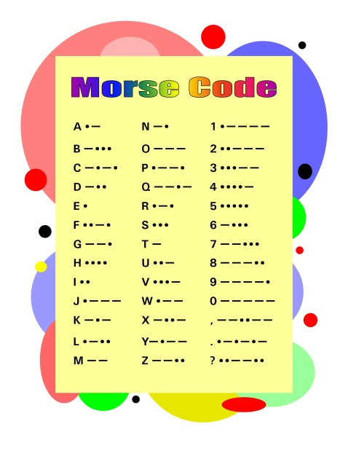

 |  |  |  |  |  | Decode the following message:
 |  |  |  |  |  | .. |  | .-.. | --- | …- | . |  | . | -..- | -.-. | . | .-..
 |  |  |  |  |  | i |  | l | o | v | e |  | e | x | c | e | l

 |  |  |  |  |  | Encode your name:
 |  |  |  |  |  | m | y |  | n | a | m | e |  | i | s |  | J | o | a | n | n | a
 |  |  |  |  |  | -- | -.-- |  | -. | .- | -- | . |  | .. | … |  | .--- | --- | .- | -. | -. | .-

